Welcome
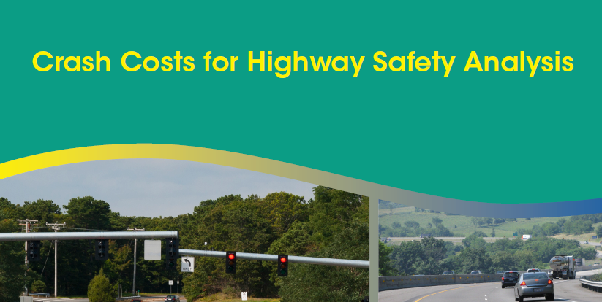

This spreadsheet tool was developed by VHB under contract to FHWA Office of Safety Programs, and accompanies Chapter 5 of the FHWA Crash Costs for Highway Safety Analysis Guide, published January 2018.

 | Version: 1.0 (compatible with Excel 2016)
 | Release Date: February 14, 2018
 | Please report spreadsheet errors to: Karen Scurry, FHWA Office of Safety Programs
 | FHWA Crash Costs for Highway Safety Analysis Guide (link)

